Sheet1

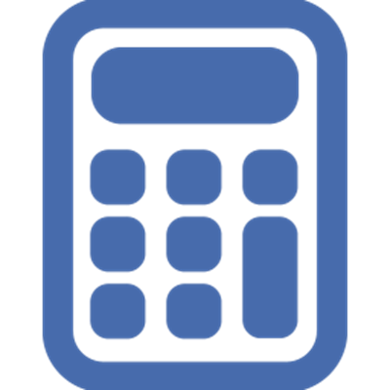

Input Total Treatment Cost |  |  | $2,500.00

Input Deposit paid to Practice |  |  | $500.00

Calculated Payment Plan Amount |  |  | $2,000.00

Enter Term in months |  | 6 | Months

Calculations below for monthly, fortnightly and weekly payment cycles
 |  | Payment Cycle | Instalment total
6 | Monthly repayments of | $333.33 | $2,000.00
12 | Fortnightly repayments of | $166.67 | $2,000.00
24 | Weekly repayments of | $83.33 | $2,000.00

2017-10-23 |  |  |  | 2017-10-23 09:29:35

